Sheet1
 |  | Will it rain or snow?

Name: |  |  |  |  |  | rain
 | Looking at the temperature will it rain or snow ? |  |  | 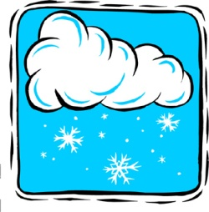 |  | snow
 | Teacher model
 | If the temperature is: | 94.7 °F | It will: |  | Try again :(

 | If the temperature is: | 17°F | It will: |  | Try again :(

 | Student Reponse
 | If the temperature is: | 57 °F | It will: |  | Try again :(

 | If the temperature is: | 27 °F | It will: |  | Try again :(

